Test Data
Testing Data
Gauge Length [mm] | 100

Cushion Dimensions
Cushion ID | Specified | Measured L (mm) | Measured W (mm) | Measured H (mm)
W850844-01B | 460x460x100 | 466 | 465 | 109 | DUMMY SAMPLE - not to be recorded
W798553-01A | 460x460x100 | 461 | 464 | 108
W798553-02A | 460x460x100 | 469 | 462 | 109
W798553-03A | 460x460x100 | 459 | 464 | 109
W896204-01 | 460x460x100 | 463 | 464 | 109
W896204-02 | 460x460x100 | 464 | 464 | 109
W819482-01A | 430x460x115 | 434 | 465 | 121
W819482-02A | 430x460x115 | 434 | 463 | 121
W819482-03A | 430x460x115 | 432 | 465 | 121
W884993-01A | 430x460x115 | 429 | 463 | 119
W884993-02A | 430x460x115 | 433 | 464 | 119

Immersion - TEST 02 | OMMITTED TEST
Cushion ID | Type | t_190 | t_250 | d190-1 (mm) | d190-2 (mm) | d190-3 (mm) | d250-1 (mm) | d250-2 (mm) | d250-3 (mm) | Time (s)
W850844-01A | Contour blank | 57.002236667 | 53.164746667 | 50.68242 | 51.09748 | 51.21339 | 54.73164 | 54.8744 | 54.89972 | 1975
W850844-01B | Contour blank | 60.412606667 | 56.741836667 | 48.3767 | 48.64442 | 48.74106 | 52.24427 | 52.26659 | 52.26363 | 1975
W798553-01A | Contour blank | 32.638716667 | 36.176133333 | 76.09608 | 75.1375 | 74.85027 | 71.72266 | 72.43274 | 71.3162 | 1919
W798553-01B | Contour blank
W798553-01C | Contour blank
W798553-02A | Contour blank | 33.042943333 | 36.897183333 | 76.09149 | 75.93883 | 75.84085 | 71.9837 | 72.12536 | 72.19939 | 1918
W798553-02B | Contour blank
W798553-02C | Contour blank
W798553-03A | Contour blank | 31.086956667 | 34.867943333 | 78.34175 | 77.79728 | 77.6001 | 74.22474 | 74.10846 | 74.06297 | 1907
W798553-03B | Contour blank
W798553-03C | Contour blank
W819482-01A | Contour blank | 31.933596667 | 35.15605 | 89.41859 | 88.971 | 88.80962 | 85.94894 | 85.81958 | 85.76333 | 1917
W819482-01B | Contour blank
W819482-01C | Contour blank
W819482-02A | Contour blank | 32.471316667 | 35.807673333 | 88.90278 | 88.43079 | 88.25248 | 85.324 | 85.16289 | 85.09009 | 1920
W819482-02B | Contour blank
W819482-02C | Contour blank
W819482-03A | Contour blank | 31.14317 | 34.636703333 | 90.22048 | 89.75532 | 89.59469 | 86.47523 | 86.33224 | 86.28242 | 1911
W819482-03B | Contour blank
W819482-03C | Contour blank

Hysteresis - TEST 03
Cushion ID | Type | H_250 | H_500 | Avg Comp Thickness 8N | Avg Comp Thickness 250N | Avg Comp Thickness 500N | Avg Comp Thickness 750N | Avg Unload Thickness 500N | Avg Unload Thickness 250N | Avg Unload Thickness 8N
W798553-01A | Contour blank | 0.097718698299 | 0.06766 | 106.59363 | 89.78865 | 76.35935 | 67.43071 | 71.53133 | 81.01462 | 103.35382
W798553-01B | Contour blank | 0.10606032978 | 0.074534935288 | 106.33613 | 89.93966 | 76.57644 | 66.78591 | 70.86882 | 80.40063 | 102.94561
W798553-01C | Contour blank | 0.1036193233 | 0.06604174646 | 106.59246 | 89.83392 | 75.9777 | 66.84906 | 70.96 | 80.52539 | 103.38643
W798553-02A | Contour blank | 0.096714979608 | 0.059083284287 | 107.94657 | 90.38848 | 76.84847 | 68.46764 | 72.30801 | 81.64656 | 104.63711
W798553-02B | Contour blank | 0.1045088948 | 0.080477917952 | 107.51873 | 90.8227 | 77.66354 | 67.45771 | 71.41334 | 81.33092 | 104.08818
W798553-02C | Contour blank | 0.10069271535 | 0.069604724334 | 107.78193 | 90.64618 | 76.99032 | 67.66887 | 71.63143 | 81.51877 | 104.50627
W798553-03A | Contour blank | 0.096350544623 | 0.068691800156 | 107.51605 | 90.76368 | 77.42074 | 68.15074 | 72.10257 | 82.01855 | 104.17693
W798553-03B | Contour blank | 0.096574041832 | 0.065047254723 | 107.87076 | 90.97776 | 77.33301 | 68.38999 | 72.30271 | 82.19167 | 104.69555
W798553-03C | Contour blank | 0.095174058626 | 0.066651804468 | 107.65947 | 90.95987 | 77.55694 | 68.43052 | 72.38763 | 82.30285 | 104.44474
W896204-01A | Contour blank | 0.089952655417 | 0.05819921275 | 107.47396 | 87.71014 | 74.02729 | 65.1866 | 69.71896 | 79.82038 | 103.08598
W896204-01B | Contour blank | 0.088923070772 | 0.059477113135 | 107.37246 | 88.53293 | 75.13327 | 66.14982 | 70.66456 | 80.66031 | 103.031
W896204-01C | Contour blank | 0.087161111169 | 0.058868147708 | 107.35058 | 88.63563 | 75.4109 | 66.47848 | 70.9716 | 80.91005 | 103.02532
W896204-02A | Contour blank | 0.079768752399 | 0.052191011133 | 107.9861 | 89.1166 | 76.43366 | 68.187 | 72.44451 | 82.00788 | 103.93812
W896204-02B | Contour blank | 0.080262818414 | 0.056538558634 | 107.56008 | 89.41687 | 77.04565 | 68.40967 | 72.6896 | 82.24002 | 103.40529
W896204-02C | Contour blank | 0.076984879081 | 0.061696807396 | 106.72615 | 86.81549 | 74.90031 | 65.90427 | 70.2792 | 80.13201 | 104.15019
W819482-01A | Contour blank | 0.074443111429 | 0.045418174869 | 119.6196 | 100.38229 | 88.4331 | 80.6534 | 84.41663 | 92.90952 | 115.3226
W819482-01B | Contour blank | 0.075902138757 | 0.048535398011 | 119.19363 | 99.92393 | 88.32502 | 80.29789 | 84.03813 | 92.33949 | 114.74635
W819482-01C | Contour blank | 0.071593836683 | 0.04134630651 | 119.556127 | 100.01238 | 88.24053 | 80.85865 | 84.59211 | 92.85211 | 115.37394
W819482-02A | Contour blank | 0.075209523444 | 0.043581242037 | 119.60064 | 100.44938 | 87.63105 | 79.80202 | 83.81198 | 92.89463 | 115.6252
W819482-02B | Contour blank | 0.07389217968 | 0.047442367182 | 119.1621 | 101.17796 | 89.14669 | 80.96658 | 84.91736 | 93.7017 | 115.09112
W819482-02C | Contour blank | 0.078849153914 | 0.040308031801 | 119.53712 | 101.22848 | 89.11028 | 81.56929 | 85.51842 | 93.2467 | 115.70089
W819482-03A | Contour blank | 0.071880812834 | 0.045708327459 | 119.90018 | 101.48341 | 88.87549 | 80.7322 | 84.81314 | 94.1887 | 116.42837
W819482-03B | Contour blank | 0.0690785957 | 0.043953845668 | 119.50959 | 101.86397 | 90.18005 | 82.29276 | 86.21629 | 94.82735 | 115.78827
W819482-03C | Contour blank | 0.073238326918 | 0.04659080216 | 119.59786 | 101.48648 | 89.16159 | 80.96463 | 85.00748 | 94.05378 | 115.77786
W884993-01A | Contour blank | 0.072722018661 | 0.051739113519 | 116.344 | 92.70741 | 79.93469 | 71.21496 | 75.79894 | 85.96554 | 113.47357
W884993-01B | Contour blank | 0.068146698863 | 0.050142515073 | 117.10471 | 98.90956 | 87.66792 | 79.04969 | 83.27203 | 92.1692 | 113.06182
W884993-01C | Contour blank | 0.065046610665 | 0.045324435378 | 117.34471 | 98.93444 | 87.60065 | 79.36314 | 83.6302 | 92.49909 | 113.47258
W884993-02A | Contour blank | 0.078864737074 | 0.056218904796 | 116.66309 | 94.03848 | 80.88667 | 71.80786 | 76.33931 | 86.62216 | 113.8111
W884993-02B | Contour blank | 0.072299313426 | 0.052950759044 | 117.26706 | 99.48822 | 88.03972 | 79.26296 | 83.37795 | 92.29529 | 113.16018
W884993-02C | Contour blank | 0.067160277231 | 0.045373101524 | 117.65506 | 99.47383 | 87.90208 | 79.80051 | 83.91369 | 92.79314 | 113.78402

LCD, L_180, L_225 Deflection in FW04619 Contour Cushions
LCDOD - TEST 05
FW04619 | Cushion ID | Type | Lth [mm] | Loaded Contour Depth [mm] | L_180 Overload Deflection [mm] | L_225 Overload Deflection [mm]
 | W798553-01A | Contour blank | 108 | 25.51 | 6.81 | 12.79
 | W798553-01B | Contour blank | 108 | 23.61 | 5.86 | 10.94
 | W798553-01C | Contour blank | 108 | 24.58 | 5.77 | 10.54
 | W798553-02A | Contour blank | 109 | 24.71 | 6.12 | 11.2
 | W798553-02B | Contour blank | 109 | 24.43 | 5.61 | 10.29
 | W798553-02C | Contour blank | 109 | 25.44 | 5.31 | 9.64
 | W798553-03A | Contour blank | 109 | 26.86 | 5.98 | 11.46
 | W798553-03B | Contour blank | 109 | 26.59 | 5.86 | 11.33
 | W798553-03C | Contour blank | 109 | 26.89 | 5.7 | 10.84
 | W896204-01A | Contour blank | 109 | 23.42 | 4.26 | 8.49
 | W896204-01B | Contour blank | 109 | 24.43 | 4.45 | 8.68
 | W896204-01C | Contour blank | 109 | 25.05 | 4.39 | 8.45
 | W896204-02A | Contour blank | 109 | 22.46 | 4.12 | 8.16
 | W896204-02B | Contour blank | 109 | 23.73 | 4.26 | 8.41
 | W896204-02C | Contour blank | 109 | 24.33 | 4.22 | 8.33
FW04621 | W819482-01A | Contour blank | 121 | 27.09 | 4.63 | 8.97
 | W819482-01B | Contour blank | 121 | 28.96 | 5.51 | 9.86
 | W819482-01C | Contour blank | 121 | 27.25 | 5.14 | 9.29
 | W819482-02A | Contour blank | 121 | 27.4 | 4.85 | 9.58
 | W819482-02B | Contour blank | 121 | 27.54 | 4.73 | 9.23
 | W819482-02C | Contour blank | 121 | 25.4 | 4.59 | 8.71
 | W819482-03A | Contour blank | 121 | 26.19 | 5.03 | 9.85
LCD, L_180, L_225 Deflection in FW04621 Contour Cushions
 | W819482-03B | Contour blank | 121 | 26.61 | 4.85 | 9.39
 | W819482-03C | Contour blank | 121 | 24.23 | 4.76 | 8.96
 | W884993-01A | Contour blank | 119 | 27.89 | 4.78 | 9.18
 | W884993-01B | Contour blank | 119 | 28.14 | 4.62 | 8.8
 | W884993-01C | Contour blank | 119 | 28.08 | 4.54 | 8.66
 | W884993-02A | Contour blank | 119 | 27.13 | 4.56 | 8.79
 | W884993-02B | Contour blank | 119 | 27.6 | 4.43 | 8.45
 | W884993-02C | Contour blank | 119 | 27.44 | 4.32 | 8.22

Power - Sample Size Calculation
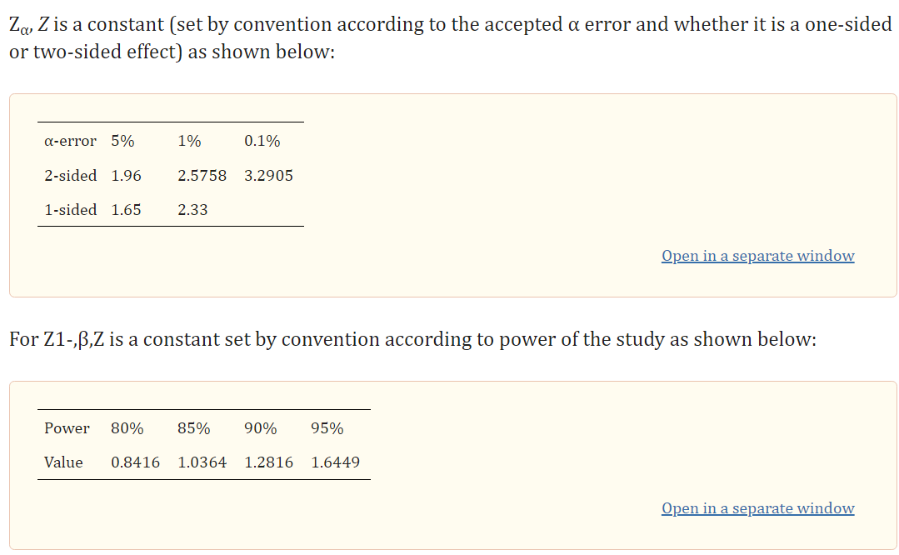

 | Power Test Parameters
z_a | 1.96 | (for a=0.05)
z_(1-B) | 0.8416 | (for B=0.8)
Difference | 0.1 | (Clinically relevant)
STD | 0.1

 | Power Test
Sample Size | 15.69792512

 | to be done ONLY for test variables with p>0.05

